Sheet1
2008 Toyota Rav4 Sport 2.4
DRIVE AXLES, BEARINGS AND JOINTS COMPONENTS/DRIVE AXLE SHAFT ASSEMBLY
Your Vehicle: 2008 Toyota Truck RAV4 2WD L4-2.4L (2AZ-FE)

 | Vehicle » Transmission and Drivetrain » Drive Axles, Bearings and Joints » Axle Shaft Assembly » Service and Repair » Removal

 | Removal

DRIVE SHAFT: FRONT DRIVE SHAFT ASSEMBLY (for 2WD): REMOVAL

REMOVAL

1. REMOVE FRONT WHEEL
2. DRAIN AUTOMATIC TRANSAXLE FLUID

(a) | Drain the automatic transaxle fluid for U140F See: Automatic Transmission/Transaxle\Fluid - A/T\Service and Repair.
(b) | Drain the automatic transaxle fluid for U241E See: Automatic Transmission/Transaxle\Fluid - A/T\Service and Repair.
(c) | Drain the automatic transaxle fluid for U151E See: Automatic Transmission/Transaxle\Fluid - A/T\Service and Repair.

3. REMOVE FRONT AXLE HUB NUT See: Wheel Hub\Service and Repair\Front Axle Hub\Removal
4. DISCONNECT FRONT SPEED SENSOR LH

(a) | Disconnect the speed sensor See: Brakes and Traction Control\Antilock Brakes / Traction Control Systems\Wheel Speed Sensor\Service and Repair\Front Speed Sensor\Removal.

5. REMOVE FRONT SPEED SENSOR RH HINT: Use the same procedures described for the LH side.
6. DISCONNECT FRONT DISC BRAKE CYLINDER ASSEMBLY LH See: Brakes and Traction Control\Disc Brake System\Service and Repair\Front Brake\Removal
7. DISCONNECT FRONT DISC BRAKE CYLINDER ASSEMBLY RH HINT: Use the same procedures described for the LH side.
8. REMOVE FRONT STABILIZER LINK ASSEMBLY LH See: Steering and Suspension\Suspension\Stabilizer Bar\Service and Repair\Front Stabilizer Bar\Removal
9. REMOVE FRONT STABILIZER LINK ASSEMBLY RH HINT: Use the same procedures described for the LH side.
10. DISCONNECT FRONT SUSPENSION LOWER NO. 1 ARM SUB-ASSEMBLY LH See: Steering and Suspension\Suspension\Control Arm\Service and Repair\Front Suspension Lower No. 1 Arm\Removal
11. DISCONNECT FRONT SUSPENSION LOWER NO. 1 ARM SUB-ASSEMBLY RH HINT: Use the same procedures described for the LH side.

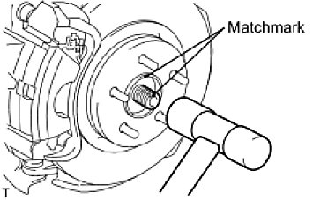

12. DISCONNECT STEERING KNUCKLE WITH AXLE HUB LH

(a) | Put matchmarks on the drive shaft and axle hub.
 | NOTE: Do not punch the marks.
(b) | Using a plastic-faced hammer, disconnect the steering knuckle with axle hub.
 | NOTE: Be careful not to damage the boot and speed sensor rotor.
Do not excessively push out the drive shaft from the axle assembly.

13. DISCONNECT STEERING KNUCKLE WITH AXLE HUB RH HINT: Use the same procedures described for the LH side.
14. DISCONNECT TIE ROD END SUB-ASSEMBLY LH See: Steering and Suspension\Steering\Steering Gear\Service and Repair\Removal
15. DISCONNECT TIE ROD END SUB-ASSEMBLY RH HINT: Use the same procedures described for the LH side.

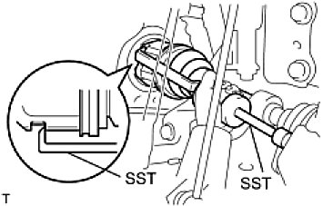

16. REMOVE FRONT DRIVE SHAFT ASSEMBLY LH

(a) | Using SST, remove the front drive shaft.
SST: 09520-01010
SST: 09520-24010
09520-32040
NOTICE:

Be careful not to damage the transaxle case oil seal, inboard joint boot and drive shaft dust cover.
Be careful not to drop the drive shaft.

17. REMOVE FRONT DRIVE SHAFT ASSEMBLY RH

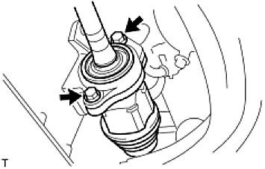

(a) | Remove the 2 bolts and pull out the drive shaft together with the drive shaft bearing case.
(b) | Remove the drive shaft from the transaxle.
 | NOTICE:

Be careful not to damage the transaxle case oil seal, inboard joint boot and drive shaft dust cover.
Be careful not to drop the drive shaft.

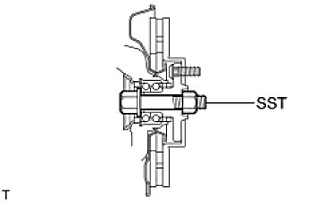

18. FIX FRONT AXLE ASSEMBLY NOTE: The hub bearing could be damaged if it is subjected to the vehicle weight, such as when moving the vehicle with the drive shaft removed. Therefore, if it is absolutely necessary to place the vehicle weight on the hub bearing, first support it with SST.

SST: 09608-16042
09608-02021
09608-02041

